Sheet1
Style code | Color code | Style name | SRP | Wholesale price | Image (primary) |  | 6 | 6M | 7 | 7M | 8 | 8M | 9 | 9M | 10 | 10M | 11 | 11M | TOT
T715N | 020 | CONTEND | 70.00 € | 35.00 € | 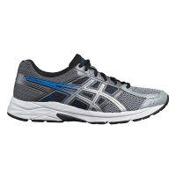 | MAN |  |  |  | 40 | 80 | 80 | 80 | 80 | 80 | 80 | 80 | 40 | 640
T715N | 400 | CONTEND | 70.00 € | 35.00 € |  | MAN |  |  |  | 40 | 80 | 80 | 80 | 80 | 80 | 80 | 80 | 40 | 640
T715N | 002 | CONTEND | 70.00 € | 35.00 € | 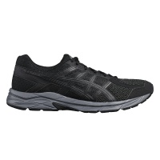 | MAN |  |  |  | 40 | 80 | 80 | 80 | 80 | 80 | 80 | 80 | 40 | 640
T765N | 401 | CONTEND | 70.00 € | 35.00 € |  | WOMEN |  | 20 | 40 | 40 | 40 | 40 | 40 | 20 |  |  |  |  | 240
T765N | 001 | CONTEND | 70.00 € | 35.00 € | 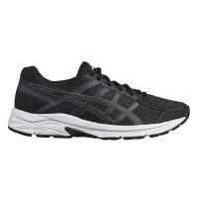 | WOMEN |  | 20 | 40 | 40 | 40 | 40 | 40 | 20 |  |  |  |  | 240
T765N | 020 | CONTEND | 70.00 € | 35.00 € | 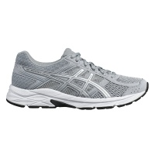 | WOMEN |  | 20 | 40 | 40 | 40 | 40 | 40 | 20 |  |  |  |  | 240
 |  |  |  |  |  |  |  |  |  |  |  |  |  |  |  |  |  |  | 2640

